Circular Reference
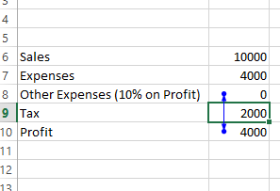
FinShiksha

 |  | <== Circular Reference
Sales | 10,000.00
Expenses | 4,000.00
Other Expenses (10% on Profit) | 363.64
Tax | 2,000.00
Profit | 3,636.36

